Catatan
 | LESSON 3: Stock Prices |  |  |  |  |  |  |  |  |  |  | documentation needed |  |  |  | python command
 |  |  |  | Stock: | Common Stock vs Preferred Stock
 |  |  |  | Securities: | Debt Securities / fixed income securities |  |  |  |  |  |  |  |  |  |  | import pandas as pd
 |  |  |  |  | Derivative securities : Options and futures contracts |  |  |  |  |  |  | https://pandas.pydata.org/pandas-docs/version/0.21.1/generated/pandas.read_csv.html |  |  |  | price_df = pd.read_csv('prices.csv') |  |  |  |  |  |  |  | reading the CSV files
 |  |  |  |  | Equity Securities : Asset - Liabilities (Public vs Private Equity) |  |  |  |  |  |  |  |  |  |  | price_df = pd.read_csv('prices.csv', names=['ticker', 'date', 'open', 'high', 'low', |  |  |  |  |  |  |  | give heading to files
 |  |  |  | liquidity |  |  |  |  |  |  |  |  |  |  |  | 'close', 'volume', 'adj_close', 'adj_volume'])
 |  |  |  | arbitrage | klo stock itu bisa kita trade di dua market yang berbeda |  |  |  |  |  |  | dataframe functions |  |  |  | price_df.median()
 |  |  |  | tick vs OHLC |  |  |  |  |  |  |  | https://pandas.pydata.org/pandas-docs/version/0.21/api.html#api-dataframe-stats |  |  |  | price_df.groupby('ticker').median()

 |  |  |  | Quiz #1 | Pivoting table, cleaning, layouting table |  |  |  |  |  |  |  |  |  |  | open_prices = price_df.pivot(index='date', columns='ticker', values='open') |  |  |  |  |  |  |  | Reshape data (produce a “pivot” table) based on column values. Uses unique values from index / columns to form axes of the resulting DataFrame.
 |  |  |  |  |  |  |  |  |  |  |  | dataframe selections |  |  |  | high_prices = price_df.pivot(index='date', columns='ticker', values='high')
 |  |  |  |  |  |  |  |  |  |  |  | https://pandas.pydata.org/pandas-docs/version/0.21/api.html#id5 |  |  |  | low_prices = price_df.pivot(index='date', columns='ticker', values='low')
 |  |  |  |  |  |  |  |  |  |  |  |  |  |  |  | close_prices = price_df.pivot(index='date', columns='ticker', values='close')
 |  |  |  |  |  |  |  |  |  |  |  |  |  |  |  | volume = price_df.pivot(index='date', columns='ticker', values='volume')
 |  |  |  |  |  |  |  |  |  |  |  |  |  |  |  | adj_close_prices = price_df.pivot(index='date', columns='ticker', values='adj_close')
 |  |  |  |  |  |  |  |  |  |  |  |  |  |  |  | adj_volume = price_df.pivot(index='date', columns='ticker', values='adj_volume')

 |  |  |  |  |  |  |  |  |  |  |  |  |  |  |  | open_prices.T.mean() |  |  |  |  |  |  |  | transposing data
 |  |  |  |  |  |  |  |  |  |  |  |  |  |  | function to capture part of data :
 | LESSON 4 : Market mechanics
 |  |  |  |  | can only be used if index is time related class, for other |  |  |  |  |  |  | dataframe resampling
 |  |  |  |  | we used iloc instead |  |  |  |  |  |  | https://pandas.pydata.org/pandas-docs/version/0.21/generated/pandas.DataFrame.resample.html
 |  |  |  |  |  |  |  |  |  |  |  | date time functions
 |  |  |  | Quiz #2 | selecting, bagging and sampling data |  |  |  |  |  |  | http://pandas.pydata.org/pandas-docs/stable/user_guide/timeseries.html
 |  |  |  |  | grabbing values, summary/ first value/
 |  |  |  |  |  |  |  |  |  |  |  | computations/ descriptive stats
 |  |  |  |  |  |  |  |  |  |  |  | https://pandas.pydata.org/pandas-docs/version/0.21.0/api.html#id44
 | LESSON 5: DATA PROCESSING
 |  | 1 | Market/ Tick Data
 |  | 2 | Time Stamps
 |  | 3 | Corporate Actions : Stock Splits and Dividend, must learn how to normalize price
 |  | 4 | technical indicators.
 |  | 5 | Missing Values: fill the gaps with same ohlc to the closest period/ average etc…
 |  | 8 | Survivor bias trap
 |  | 9 | Fundamental information
 |  | 10 | P/E ratio
 |  | 11 | ETF
 |  | 12 | Index vs ETF
 |  | 13 | Alternative data

 | LESSON 6: STOCK RETURNS |  |  |  |  |  |  |  |  |  |  |  | Ini udah Mulai masuk ke kon sep2 statistik..
 |  | 1 | Returns
 |  | 3 | Returns and log returns, continuos returns
 |  | 4 | becarefull of arithmetic underflow
 |  | 5 | Distributions of returns and prices |  |  |  | Even short term are normally distributed, long term aren't |  |  |  |  |  |  | Numpy to simulate return overtime
 |  |  |  | Must read : why lognormal… |  |  |  |  | so price movement in OSCI juga lognormally distributed / alias klo nermally distributed it always ranging!
 |  |  | 1 | Log returns can be interpreted as continuously compounded returns.
 |  |  | 2 | Log returns are time-additive. The multi-period log return is simply the sum of single period log returns.
 |  |  | 3 | The use of log returns prevents security prices from becoming negative in models of security returns.
 |  |  | 4 | For many purposes, log returns of a security can be reasonably modeled as distributed according to a normal distribution.
 |  |  | 5 | When returns and log returns are small (their absolute values are much less than 1), their values are approximately equal.
 |  |  | 6 | Logarithms can help make an algorithm more numerically stable.

 | LESSON 7 : Momentum Trading Strategy
 |  | 1 | Designing Trading Strategy
 |  | 2 | Momentum based signals
 |  | 3
 |  | 4 |  |  |  |  |  |  |  |  |  |  |  |  |  |  |  |  | another quiz..
 |  | 5 | Using datatype manipulation as switch/ trading signal generation |  |  |  |  |  |  |  |  |  |  |  |  |  |  |  | find top and worst performer.. This is important to find the answer..
 |  | 6 | Trading strategy |  |  | Choose same field of stock |  |  |  |  |  | get daily closing price
 |  |  |  |  |  | Compare top performer vs weak performer |  |  |  |  |  | resample daily prices, month end prices, compute log returns
 |  |  |  |  |  |  |  |  |  |  |  | rank month end returns
 |  |  |  |  |  |  |  |  |  |  |  | compute long and short portofolio returns
 |  |  |  |  |  |  |  |  |  |  |  | combine portofolio returns = average long vs average short
 |  |  |  |  |  |  |  |  |  |  |  | continue for each month and period for momentum trading strategy

 |  | 9 | Statistical anaysis : t -test. |  |  |  | testing our hypotesis

 |  |  | xbar = mean return |  |  | t = xbar /SEx |  |  | SEx = std Dev/ akar.n |  |  |  |  |  |  |  |  |  |  | t = signal/ noise |  |  | SEx = noise
 |  |  |  |  |  |  | alpha default value = 0.1
 |  |  |  |  |  | P value | > alpha | mean return may actually 0 = reject H0 |  |  |  |  | p value default value to conclude that our mean not 0 = 0.1 |  |  |  |  |  |  | signal = difference between group mean, klo di trading ini antara 0 dan measured hypothesis. 0.53%
 |  |  |  |  |  | pValue < alpha |  | mean return may actually 0 > hypothesis accepted |  |  |  |  |  |  |  |  |  |  |  | noise = Akar Variance quadrat dibagi n

 |  |  |  |  |  | istilahnya ini cuman bandingin value vs std deviasi, klo masih di dalam standard deviasi artinya cuman kebetulasn , dan startegy kita itu gak ada edge nya..

 |  | 10. Alpha value |  |  |  |  |  |  |  |  |  |  |  |  |  |  |  |  |  | example: ada 2 field : hipotesis awal field no2 more bountyfull karena menghasilkan..
 |  |  | In mathematics, you’ll see alpha refer to the significance level of a hypothesis test.
 |  |  | In regression, you’ll see alpha refer to the y-intercept of a straight line. |  |  |  |  |  |  |  |  |  |  |  |  |  |  |  |  | Field 1 |  | Field 2
 |  |  | In finance, alpha refers to multiple distinct but somewhat related ideas. The common thread among these definitions is that alpha is the extra value that an investment professional can add to the performance of an investment. |  |  |  |  |  |  |  |  |  |  |  |  |  |  |  |  | 15.2 |  | 15.9
 |  |  | One specific definition of alpha is the extra return that an actively managed fund can deliver, that exceeds the performance of passively investing (buy and hold) in a portfolio of stocks. |  |  |  |  |  |  |  |  |  |  |  |  |  |  |  |  | 15.3 |  | 15.9
 |  |  |  |  |  |  |  |  |  |  |  |  |  |  |  |  |  |  |  | 16 |  | 15.2
 |  |  | alpha vector |  |  |  |  |  |  |  |  |  |  |  |  |  |  |  |  | 15.8 |  | 16.6 |  |  | Lanjut ke t test
 |  |  |  |  |  |  |  |  |  |  |  |  |  |  |  |  |  |  |  | 15.6 |  | 15.2 |  |  | find critical value | dari tabel, butuh data n dan confidence level
 |  | 11 | std deviations = sigma((x - xBar)^2)/ (n-1) |  |  |  |  |  |  |  |  |  |  |  |  |  |  |  |  | 14.9 |  | 15.8
 |  |  | std error = std deviations / Akarn |  |  |  |  |  |  |  |  |  |  |  |  |  |  |  |  | 15 |  | 15.8 |  |  | p value dari tabel juga
 |  |  |  |  |  |  |  |  |  |  |  |  |  |  |  |  |  |  |  | 15.4 |  | 16.2
 |  |  |  |  |  |  |  |  |  |  |  |  |  |  |  |  |  |  |  | 15.6 |  | 15.6
 |  |  |  |  |  |  |  |  |  |  |  |  |  |  |  |  |  |  |  | 15.7 |  | 15.6 |  |  | degree of freedom = jumlah sample pool1 minus 1 + jumlah sample pool n minus 1
 |  |  |  |  |  |  |  |  |  |  |  |  |  |  |  |  |  |  |  | 15.5 |  | 15.8
 |  |  |  |  |  |  |  |  |  |  |  |  |  |  |  |  |  |  |  | 15.2 |  | 15.5
 |  |  |  |  |  |  |  |  |  |  |  |  |  |  |  |  |  |  |  | 15.5 |  | 15.5
 |  |  |  |  |  |  |  |  |  |  |  |  |  |  |  |  |  |  |  | 15.1 |  | 15.5
 |  |  |  |  |  |  |  |  |  |  |  |  |  |  |  |  |  |  |  | 15.3 |  | 14.9
 |  |  |  |  |  |  |  |  |  | common criteria for low p value is 5% for one tail, 10% for double tail |  |  |  |  |  |  |  |  |  | 15 |  | 15.9
 |  |  |  |  |  |  |  |  |  | remember p value is pdf for tail |  |  |  |  |  |  |  |  | mean | 15.38125 |  | 15.68125
 |  |  |  |  |  |  |  |  |  |  |  |  |  |  |  |  |  |  | stdev | 0.312449996 |  | 0.4069705149
 |  |  |  |  |  |  |  |  |  |  |  |  |  |  |  |  |  |  | variance | 0.097625 |  | 0.165625
 |  |  |  |  |  |  |  |  |  |  |  |  |  |  |  |  |  |  | n | 16 |  | 16

 |  |  |  |  |  |  |  |  |  |  |  |  |  |  |  |  |  |  | signal = | -0.3
 |  |  |  |  |  |  |  |  |  |  |  |  |  |  |  |  |  | noise kuadrat= |  | 0.016453125
 |  |  |  |  |  |  |  |  |  |  |  |  |  |  |  |  |  |  | noise= | 0.12826973532

 |  |  |  |  |  |  |  |  |  |  |  |  |  |  |  |  |  |  | t-value= | -2.3388213848 | harusnya dibuat absolut

LESSON 9: Quant Workflow
 |  | 10.3 Quant workflow: hypotesis --> Alpha --> backtesting |  |  |  |  |  |  |  |  |  |  |  |  |  |  |  |  |  |  | Data
 |  | 10.4 Flavors of trading : Single assets, Pairwise, Cross - sectional strategies, Alternative ( satelite data,social media, Geolocation, consumer transaction data)
 |  | 10.5 Anatomy of strategy |  |  |  |  |  |  |  |  |  |  |  |  |  |  |  |  | Universe Definition |  |  |  |  | Objective Function

 |  |  |  | First: | Choose Data/ Datasets to choose |  |  |  |  |  |  |  |  |  |  |  |  |  | Alpha 1, Alpha2, Alpha 3 |  |  | Risk Model |  | Constraints
 |  |  |  |  | Hypothesis
 |  |  |  |  | Subsets of categories: based on universe, Volume, Correlation, This is when our idea NEEDED |  |  |  |  |  |  |  |  |  |  |  |  |  | Alpha Combination

 |  |  |  | About alphas: |  | Analysis of return vs position of each stock/ open trades |  |  |  |  |  |  |  |  |  |  |  |  |  | Prior Portofolio |  |  | Ideal Portofolio
 |  |  |  |  |  |  |  |  |  |  |  |  |  |  |  |  |  |  |  |  | Portofolio Construction
 |  |  |  | Alpha values vs Alpha Vector |  |  |  | Alpha Vector: value of that vector of each stock direct proportion
 |  |  |  |  |  |  |  |  | to the rank of its return at future time across universe of stocks |  |  |  |  |  |  |  |  |  |  |  |  | Trade List
 |  |  |  |  |  |  | uses rank to put which stock to put in BUY vs SELL
 |  |  |  |  | the LOGIC as the alpha, the IDEA |  |  |  |  |  |  |  |  |  |  |  |  |  |  |  |  | LIVE trading
 |  |  |  |  | the RANK as Alpha Vector
 |  |  |  | research is the most important phase |  |  |  | model stacking / ensembling
 |  |  |  | REMEMBER : ALWAYS COMBINE ALPHAS to INCREASE the EFFECTIVENES

 |  |  |  | Systematic risks : unherent to entire marketinflation, recession, interest rates, GDP
 |  |  |  | Sector specific risks : inherent to sector
 |  |  |  | Idiosyncratic risk: inherent to individual stocks : labor strike, managerial change,
 |  |  | example : maximize expected return, lower return variance

LESSON 10: |  |  |  | Data preprocessing/ Filtering data
 |  | Trying to eliminate outliers and create more " general approach trading"
 |  | factor to consider:
 |  |  | 1 | market Cap |  | 4. black swan, etc
 |  |  | 2 | market crash
 |  |  | 3 | traded volume

 |  | Spotting outliers : |  |  | 1 | large changes in data, price, volum etc
 |  |  | Raw data |  | 2 | missing data: dates, volumes, price etc

 |  |  | Return data |  | 1 | using normal distribution table is good indication of eyeballing outliers or our return ( our return should have distribution that look like SMOOTH NORMAL DISTRIBUTION, not jagged/ jumpy
 |  |  | for finding alphas |  | 2 | Good return should have distribution that has positive mean return, and skewed toward positive value
 |  |  |  |  | 3 | check QQ plot, check splitting or data based on normal distribution. The closer to normal distribution QQ plot should closer to straight lines.
 |  |  |  |  | 4
 |  |  |  |  | 5 | THE POINT IS to cross check if our strategy has positive means, with as little anomaly as possible.

 |  | NOTE: Lookahead Bias filling the value by using mean/ average, in theory better but in practical we cant fill missing data with future value( its only looks good on chart/ backtesting)
 |  | handling Outliers: |  |  | 1 | using previous close data
 |  |  |  |  | 2 | use average data
 |  |  |  |  | 3 | remove data (if genuine missing not an actual event)
 |  |  |  |  | 4 | Isolate data/ finding background of those data

LESSON 11: |  |  |  | Regressions:
 |  | 1 |  | Most popular analysis assume data is normally distributed, the problem is not all data esp finance is normally distributed, but is closely near to lognormal
 |  | 2 |  | ve can visualize distribution to give initial idea of the best suited distribvution for our data
 |  | 3 |  | std distribution: |  | mean ==0 std dev ==1
 |  |  |  | SHAPIRO WILK |  |  |  | testing for noremlity H0== normal
 |  |  |  | D'AGOSTINO - PEARSON |  |  |  | standard p > 0.05
 |  |  |  | KOLMOGOROV SMIRNOV TEST |  |  |  | testing the similarities between 2 PDF

 |  | 5 |  | Hetero skedascity |  |  | Variance changes overtime |  |  | ex: Forex
 |  |  |  | Homo skedascity |  |  | Variance same overtime |  |  | ex: weather forecast
 |  |  |  | BREUSCH - PAGAN TEST for this |  |  |  | H0 == data is homo scedastic
 |  | 6 |  | transforming data :
 |  |  |  | To Normalize data: |  |  | Data --> Log transform/ function --> more normalized
 |  |  |  | To Homoscedastic -ing data : |  |  | Looking for time difference == looking for Rate of Change --> log function --> Log return
 |  |  |  | BOX - COX Transformation : |  |  | there lambda constant that we can choose if lambda == 0, T(x) = ln(x), (chhose lambda value that gives more normal distribution?)
 |  |  |  |  |  | Monotonic Transformation : |  |  | Change value but preserve the order
 |  | 7 |  | INI OSCI.. | Find the best line to fit the data, which reduces the distance between data point to "regression line" (OSCI)
 |  | 8 |  | residual/ error terms : can be plotted to regression line to check what type of distribution its make. ( The problem with osci its still repaints
 |  | 9 |  | Multiple regression: check R- Squared value
 |  |  |  |  |  | Adjusted R-squared value |  |  | find the minimum combination of independent variables that most relevant to our model
 |  |  |  |  |  | F- Test : |  |  | Check if our coefficients and intercepts are non zero, so we can draw meaning from it
 |  |  |  |  |  |  |  |  | if p < 0.05, parameters is not zero, which we faound meaningful relationships
 |  | 10 |  | Multivariate regression :
 |  |  |  | We can also predict more than ONE Dependent variable at the same time
 |  | 11 |  | Multiple multivariate regression :
 |  | 12 |  | REMEMBER : regression is fundamental building block for neural nest and deep learning

LESSON 12: |  |  | TIME SERIES MODELING
 |  | 1 |  | Autoregressive Models
 |  |  |  | Intercept : Valuer that independent of previous value
 |  |  |  | Coefficients : factoring & weighing independent variable
 |  |  |  | error: | unpredictable movement
 |  |  |  | vector AR: | finding correlation from another AR
 |  |  |  | Lag : period of calculations
 |  |  |  | GOAL: | finding meaningfull relationship from independent variable
 |  |  |  |  | find optimun lag, how far back itu should see
 |  |  |  | Evaluation: | Adjusted R squared

 |  | 2 |  | MA Models
 |  |  |  | Calculation : | Previous mean + residual errore
 |  |  |  | Correlation can be used to evaluate factor that affecting pricces..

 |  | 3 |  | Advanced Time Seiries Models |  |  | ARMA & ARIMA
 |  |  |  | ARMA : autoregressive MA |  |  | ARMA (p,Q): y = ARp + MAq
 |  |  |  | ARIMA : Auto regressive Integrated MA
 |  |  |  | taking derivative/ time diifferent summarize Change of data
 |  |  |  | NON STATIONARY DATA: |  |  | mean |  | use the rate of change or period pewr period comparison for finding insights
 |  |  |  |  |  |  | Var
 |  |  |  |  |  |  | Covariance
 |  |  |  | AUGMENTED DICKEY FULLER TEST: |  |  |  | if p<0.05, time series is stationary |  |  |  |  |  |  | 1x time difference == order 0
 |  |  |  |  |  |  |  | if not we can take value from time difference and test again to see |  |  |  |  |  |  | 1x time difference == order 1
 |  |  |  |  |  |  |  | we can take time difference multiple times, until it stationary, to find the order of original data as integrated of order D
 |  |  |  |  |  |  |  |  |  |  |  |  | original time series is always one order higher
 |  |  |  |  |  |  |  | ONCE we found STATIONARY we can modelil with ARMA
 |  | 5 |  | Kalman Filter
 |  |  |  |  | Single - state represents the past
 |  |  |  |  | better for noisy indirect measurements, ITS noise reduction
 |  |  |  |  | the concept : Prediction and measurement update step looping to update itself

 |  | 6 |  | Particle Filter
 |  |  |  |  | more general Kalman filter
 |  |  |  |  | is type of genetic algo
 |  |  |  |  | so multiple factor can be put into regression together, if all converge to specific price level it means we have more confidence, of disperse our prediction is less accurate
 |  |  |  |  | Can be used with data with Non-Normal distribution
 |  |  |  |  | Non linear relationships

 |  | 7 |  | Recurrent NN
 |  |  |  |  | perceptron --> hidden neuron --> output |  |  |  |  | in hidden neuron, the output goes to output nodes , but it also updates itself
 |  |  |  |  | for training its neuron:
 |  |  |  |  |  | Gradient descent
 |  |  |  |  |  | LSTM cells

LESSON 13: Volatility
 |  | 1 | Volatility
 |  | 2 | Historical Volatility
 |  |  |  | The simplest way is calculate STD dev of log returns.
 |  |  |  | for stocks typical STD dev daily is around 0.006 - 0.03
 |  |  |  | weekly : 0.01 - 0.07

 |  | 3 | Annualized Volatility
 |  |  |  | draw estimated of yearly log return from different timeframe, with formula:
 |  |  |  | STD dev year = akar kuadrat 252 x STDday
 |  |  |  | STD dev year = akar kuadrat 12 x STDmonth
 |  |  |  | sum of 12 x monthly log return = annual return
 |  |  |  | REMEMBER: summing variance independent variable Var(A+B) = Var(A) + Var(B)

 |  | 4 until 9 | Rolling Windows and Exponentially weighted average

 |  | 10 | Forecasting volatility
 |  |  |  | Easier to predict volatility than price, it tend to stick out and repeat
 |  |  |  | ARCH = autoregressive Conditionally Heteroscedastic
 |  |  |  | GARCH = Generalized ARCH

 |  | 11 | Market and Volatility
 |  |  |  | Volatility tends to be higher when amrket goes down, used of gauge of fear..
 |  |  |  | VIX Index : 30 day volatility S&P options
 |  |  |  | Most volatility causes by the trading itself
 |  |  |  | VVIX = volatility for VIX
 |  | 12 |  | Volatility for Equity trading
 |  |  |  | Higher volatility attracts more people
 |  |  |  | MISTERY : Low volatility stock outperforms Higher volatility stocks?
 |  |  |  | USES off VOLATILITY: |  | Limit Risk
 |  |  |  |  |  | Normalize Volatility
 |  |  |  |  |  | Sizing

 |  |  |  | Position Size= |  | R/( dau x M x Last Close)

 |  |  |  | Lot Size |  | R = $ to risk
 |  |  |  |  |  | dau = annualized volatility of the security/ strategy in question
 |  |  |  |  |  | M = trader - defined Integer
 |  |  |  |  |  | last Close = last closing price of the security

 |  | 13. Breakout Strategy:
 |  |  |  | IDEa : | Using bollinger band/ osci.
 |  |  |  |  | if trending the price will almost never touch the upper band/ lower band.
 |  |  |  |  | Buy when price hit the rolling Max of Price, and Vbice v ersa

LESSON 14: Pairs trading and Mean Reversion
 |  | 2 |  | Divergence from mean is temporary
 |  |  |  | DRIFT and VOLATILITY model: |  |  |  | Drift = trends/ slope, Volatility = Randomness
 |  |  |  |  | Delta price = drift term (Price, mean miu and dt) + Volatility term ( current price, std dev sigma, random noise factor epsilon and square root of change in time..)

 |  | 3 & 4 |  | Pairs Trading
 |  |  |  |  | Economic links: |  | same sector, location etc
 |  |  |  |  |  |  | principle of mean reversion,
 |  |  |  |  |  |  | Govt Policy
 |  |  |  |  |  |  | Supply Chain
 |  |  |  |  |  |  | Time Zones
 |  |  |  |  |  |  | Check if spread is stationary, mean, variance, co variance stable overtime

 |  |  |  |  | relative difference between pair of stocks : Spread and Hedge ratio
 |  |  |  |  |  |  |  |  | Hedge ratio: Cancel each outher out by holding 2 instrument
 |  |  |  |  |  |  |  |  |  | Price ratio = B/A
 |  |  |  |  |  |  |  |  |  | regression B = regresion of A
 |  |  |  |  |  |  |  |  | Spread: | Delta between B and estimates of B |  |  |  | its residual/ error term

 |  | 6 |  | Cointegration
 |  |  |  |  | integrated of order one: |  |  | if we take time difference we can get stationary series |  |  |  |  |  |  | Log price Series: l(1)
 |  |  |  |  |  | order 0 |  | When series is stationary

 |  | 7 |  | ADF and Roots |  | Augmented Dickey fuller test |  |  |  |  |  | Penting untuk ngetest karakteristik dari sebuah harga, korelasi dll
 |  |  |  |  | reegression : Yt = B1Yt + …...... + Bt Yt +Error
 |  |  |  |  | put all non error factor to one side. (Characteristic equation)
 |  |  |  |  | use Backward Shift Notation : B^n Yt = Yt-n |  |  |  |  | Yt-1 = B^1Yt
 |  |  |  |  |  |  |  |  |  | Yt-2 = B^2Yt
 |  |  |  |  | Factor out Yt and find the value of B |  |  |  | if B = 1 = stationary --> Random Walk, each bar is independent
 |  |  |  |  |  |  |  |  | B = unit root/ "equals unity"
 |  |  |  |  |  |  |  |  | if B > 1 == stationary
 |  |  |  |  |  |  | if p value less tha 0.05 = reject H0. |  |  |  |  | H0 = Series is random walk/ Not stationary
 |  |  |  | Engle Granger Test
 |  |  |  |  | calculate hedge ratio by running one series against another
 |  |  |  |  |  |  | Yt = BXt |  | B = Hedge Ratio
 |  |  |  |  | Second, we take y_t - \beta x_tyt​−βxt​ to create a series that may be stationary. We’ll call this new series z_tzt​.
 |  |  |  |  | we use the ADF test to check if that series z_tz, stationary, if stationary, x and y are co integrated

 |  | 8 |  | Clustering Stocks
 |  |  |  |  | BY sector, industries, location , etc etc
 |  |  |  |  | Use Unsupervised Machine Learning ( Clustering), to find hidden cointegration

 |  | 9 |  | Trade Pair of Stocks
 |  |  |  |  | try to find spread between stocks, spread narrow, going long the spread. Spread Widen we short the spread
 |  | 10 |  | Quiz using ADF:

 |  | 11 |  | Variations of Pairs Trading
 |  |  |  |  | The Johansen test |  |  | w1​×stock1​+w2​×stock2​=spread

 |  | 13 |  | Johanssen test..

LESSON 15: BREAKOUT STGRATEGY |  |  |  |  |  | PROJECT 2
 |  | 15.3 |  | beware of overfillting ! |  |  | 1
 |  |  |  | Find alpha from general data, don’t over fit with the results
 |  |  |  | in this project, we assume that the first three steps area done ("observe & research", "form hypothesis", "validate hypothesis"). The hypothesis you'll be using for this project is the following:
 |  |  | 1 | In the absence of news or significant investor trading interest, stocks oscillate in a range.
 |  |  | 2 | Traders seek to capitalize on this range-bound behaviour periodically by selling/shorting at the top of the range and buying/covering at the bottom of the range. This behaviour reinforces the existence of the range.
 |  |  | 3 | When stocks break out of the range, due to, e.g., a significant news release or from market pressure from a large investor:
 |  |  | a | the liquidity traders who have been providing liquidity at the bounds of the range seek to cover their positions to mitigate losses, thus magnifying the move out of the range, and
 |  |  |  | S/L trigger:
 |  |  | b | the move out of the range attracts other investor interest; these investors, due to the behavioural bias of herding (e.g., Herd Behavior) build positions which favor continuation of the trend.
 |  |  |  | Herd breakout.

LESSON 16: STOCK INDICES AND FUNDS
 |  | 3 |  | Indices
 |  | 4 |  | Market Cap
 |  | 5 |  | Growth vs Value |  | Growth: New growing company, |  |  |  | Value: Mature Stable Company
 |  | 6 |  | Ratio |  | P/ E , P/Sales, P/Book(book value)
 |  |  |  |  |  | Book Values = Accounting Values |  |  |  |  | Growth : Higher Ratio
 |  |  |  |  |  | Market Value = Usually Market Cap |  |  |  |  | mature : Lower ratio ( maybe also lower risk)

 |  | 7 |  | Index Categories: |  | EX: | S&P 500 | S&P 500 Growth
 |  |  |  |  |  |  |  | S&P 500 Value
 |  |  |  |  |  |  |  | S&P MidCap 400
 |  |  |  |  |  |  |  | S&P MidCap 400 Growth
 |  |  |  |  |  |  |  | S&P MidCap 400 Value
 |  |  |  |  |  |  |  | S&P SmallCap 600
 |  |  |  |  |  |  |  | S&P SmallCap 600 Growth
 |  |  |  |  |  |  |  | S&P SmallCap 600 Value
 |  | 8 |  | Price Weighing |  |  | By specified index
 |  | 9 |  | market Cap Weighing |  |  | By Market Cap
 |  | 10 |  | Adding/ Removing Index
 |  | 11 |  | Index Construction |  |  | BY Sum market caps, Adding / deleting affected by market cap/ delta price
 |  | 12 |  | Free float: readily available shares to trade, excluding provately held/ employee held

 |  | 14 |  | Funds |  | Active | Create active decision to find alpha, actively try to outperform its benchmark

 |  |  |  |  |  | Passive | Usually tracking index performance, follow benchmark
 |  | 17 |  | Smart Beta |  | Half/ combo kind of fund
 |  | 18 |  | Mutual Funds |  | Everyday, usually long only, NO lockout
 |  | 19 |  | Hedge Funds |  | Institution, Long Short, Derivatives

 |  | 20 |  | Relative & Absolute Returns |  |  |  | Relative : Vs Benchmark, usually Index
 |  |  |  |  |  |  |  | Absolute : Vs Free risk asset : interest, goovt bond etc.
 |  |  |  | Tracking Error, difference of return from its benchmark
 |  | 21 |  | Hedging Strategies. |  |  | Buying Derivatives
 |  |  |  |  |  |  | Long Short, etc

 |  | 22 |  | Net Asset Value: (AUM-Expenses)/(num of shares)
 |  | 23 |  | Expenses ratio |  | AUM: Assets Under Management |  |  |  |  |  | Discount usually for customer, not pemanent, for promo
 |  |  |  |  |  | Gross Expense Ratio: Expenses / AUM
 |  |  |  |  |  | Net Expense Ratio: (Expenses - Discounts) / AUM
 |  | 24 |  | Open End Mutual Funds |  |  | New investment after funds starts
 |  |  |  |  |  |  | Withdraw directly from funds

 |  | 25 |  | Handling withdrawals : |  |  | Keep Working capital
 |  |  |  | Holding Cash: |  |  | Weighted avg of portofolio/ based on allocation of funds
 |  | 26 |  | Close end Mutual Funds: |  |  | Accept money initially, no new investment no direct wihdrawals
 |  |  |  |  |  |  | if we want to get cash back we can sell "shares", just like stocks
 |  | 27 |  | Transaction Costs: |  | Brokerage fees
 |  |  |  |  |  | Moving of price, because large volume can cause price executed at less optimum level.
 |  |  |  |  |  | Breaking up order, put different seller on different exchanges
 |  |  |  | portofolio rebalancing

 | LESSON 17 ETF:
 |  | 2 |  | Shotcoming mutual funds
 |  | 3 |  | How ETF used
 |  | 4 |  | Hedging
 |  | 5 |  | ETF Sponsors
 |  | 6 |  | Authorized Participants
 |  | 7 |  | Redeeming Shares
 |  | 8 |  | Lower Operational Cost & Taxes.
 |  | 9 |  | Arbitrage for efficient ETF pricing
 |  |  |  | Premium Price etc..

 | Lesson 18 : Portofolio RR
 |  | 2 |  | Diversification
 |  | 3 |  | Portofolio mean, Variance, Reducing Risk

 |  | 7 |  | Covariance Matrix and Quadratic form
 |  | 8 |  | Calculate Covariance Matrix
 |  | 9 |  | np. ov
 |  | 10 |  | EFFICIENT Frontier
 |  | 11 |  | Capital Market Line: |  |  | Finding most efficietn under curve
 |  | 12 |  | Sharpe Ratio: Ratio of reward to volatility, dengan mempertimbangkan adanya Risk free Return. |  |  |  |  |  |  |  |  |  |  | Sharpe Ratio = (Rrisky - R free)/ variance excess return
 |  |  |  |  |  |  |  |  |  |  |  |  |  |  |  | variance excess return = risk premium ( risky investment usually has bigger varuiance)
 |  |  |  |  | Dt == Risk Premium = Risky return - Riskfree return ( over certain time period )
 |  |  |  |  | Calculate mean and std deviation of Dt. (over certain time periods)
 |  |  |  |  |  |  |  |  |  |  |  |  | Dmean = Avg Dt (over certain time period)
 |  |  |  |  | Sarpe Ratio = Dmean / Std Dev of D |  |  |  |  |  |  |  | Std Dev = Sqrt of Variance

 |  |  |  |  | Sharpe Ratio = Slope of capital market Line.
 |  |  |  |  | REMEMBER the MOST EFFICIENT POSSIBLE RETURN IS TANGET BETWEEN CAPITAL MARKET LINE & EFFICIENT FRONTIER.

 |  |  |  | Sharpe Ratio annualized = Sqrt 252 * Sharpe Ratio day
 |  |  |  | Retrun annually = 252* Return Daily
 |  |  |  | Therefore: Sharpe ratio annually = Sqrt 252* Sharpe ratio Daily
 | 13 |  | Other risk measures:
 |  |  |  | Semi - Deviation : |  | motivation for semi-deviation measure of risk is to measure downside risk specifically, rather than any kind of volatility (Orang lebih khawatir klo stock ga ada nilainya)
 |  |  |  |  |  | emi-deviation is calculated in a similar way as standard deviation, except it only includes observations that are less than the mean
 |  |  |  |  |  | CUMAN NGITUNG YANG DIBAWAH RATA2
 |  |  |  | Value - at - Risk (VaR) : |  |  | how much money a portfolio manager’s fund may potentially lose over a certain time period. Corporations also estimate their own VaR to decide how much cash they should during a worst case scenario
 |  |  |  |  |  |  | hold to avoid bankruptcy
 |  |  |  |  |  |  | example, if the 95% one month VaR is $1 million, there is 95% confidence that the portfolio will not lose more than $1 million next month

 | 14 | Capital Asset Pricing Model (capM)
 |  |  |  | Investor: | time value |  | Compensated by risk free returns
 |  |  |  |  | excess risk |  | B x (RiskMarket - Risk free rate) |  |  |  | Beta is just multiplier / magnitude relationship between market movement and instrument movement.

 |  | Security Market Line = little different with Capital market Line
 |  | SML = Return vs Beta
 |  | CML = Retun vs Risk |  |  |  | To Find undervalue/ overvalue stock. Above line = undervalued, it means stock have higher return for its price(its systematic risk). Vice versa

LESSON 19: OPTIMIZING PORTOFOLIO:
 | 2 |  | Basic: Finding slope where it zero, we find slope by 1 xderivative of the function and set it to zero. |  |  |  |  |  |  |  |  |  |  |  | 1 x derivative
 |  |  |  | Klo hasil dari 2 x derivative > 0 artinay we found minimum, karena selain itu dimana2 slope + |  |  |  |  |  |  |  |  |  |  | 2 x derivative untuk finding ultimate minima/ maxima
 |  |  |  | Klo hasil dari 2 x derivative < 0 artinay we found maximum, karena selain itu dimana2 slope -
 |  |  |  | klo == o artinya inconclusive.
 |  | Klo fungsi 2 variable, must use matrix

 |  |  | Hessian matrix |  |  | determinant = ad - bc |  |  | Hessian matri contains all the possible secon d derivative of function
 |  |  |  |  |  |  |  |  | if function have 2 variable it will be 2x2, if 3 variable it will be 3x3
 | 3 |  | Optimization with constraints.
 |  |  |  |  |  |  |  | Goals: |  | Functions: |  |  | variable we try to optimize:
 |  |  |  | function that we try to minimize: |  |  |  | Min/ Max ing |  | Objective/ cost function |  |  | verctor of weights:

 |  |  |  | constraints: |  | in equality: |  | f < 0 |  | Domain = Default x axis, where objective and all constraints, are defined.
 |  |  |  |  |  |  |  | f > 0 |  | Feasible set = part of the domain that satisfy all the constraints.
 |  |  |  |  |  | equality : |  | h = 0
 |  |  |  |  |  |  |  | etc… |  | Unboundeed below: when objective function reached negative infinity or infinity
 |  |  |  | CONVEX FUNCTIONS: if we draw straight line
 |  |  |  | CONVEX FUNCTIONS curved upward everywhere, no wiggly parts
 |  |  |  | CONVEX FUNCTION = only have local minimum, the minimum
 |  |  | if only hav e one solution
 | 4 |  | 2 asset portofolio optimization: |  |  |  |  | variance = Std Dev^2 |  |  |  |  |  | Example:
 |  |  |  |  |  |  |  |  | volatility = std dev.. |  |  |  |  |  | Volat A | 0.1 | Var A | 0.01
 |  |  |  | Bobot A = |  | varianceB | . - . | volat A * VolatB * Correlation AB |  |  |  |  |  |  | Volat B | 0.05 | Var B | 0.0025
 |  |  |  |  |  | Variance A + Variance B - |  |  | 2* Volat A * Volat B * Corr AB |  |  |  |  |  | Corr AB | 0.25
 | 5
 |  |  |  | Bobot A = |  | 0.0025 - (0.1 * 0.05 * 0.25) |  |  |  | 0.0025 - | 0.00125 |  | 0.00125 |  | 0.125
 |  |  |  |  |  | 0.0025 + 0.01 - 2 * (0.1 * 0.05 * 0.25) |  |  |  | 0.0125 - | 0.0025 |  | 0.01
 |  |  |  | NB : This is to minimize volatility only without ngitung return.

 | 6 |  | Formulating Portofolio Optimization Problems
 |  |  | a | Common Constraints |  |  | no short selling so weight of the portofolio not negative.
 |  |  |  |  |  |  | sector limits: use discretion to set values max
 |  |  |  |  |  |  | filter by minimum return.
 |  |  | b | Maximizing portofolio return. |  |  | Focus on maxing return instead limiting variance.
 |  |  |  | remember usualy minimize risk is more important than maximizing returns.
 |  |  | c | b parameter ( maxing return, minimizing risk)
 |  |  |  | b = tradeoff parameter
 |  |  | d | L2 _ Norm: |  | Minimize the difference between two quantities
 |  |  |  |  |  | Measure the difference.
 |  |  |  |  |  | generalize into many dimensions, each dimension == asset of the portofolio
 |  |  |  |  |  | L2 Norm == Euclidan Norm, measuring distance between 2 vector == Sqrt of the squared differences (try to find jarak between 2 spots).
 |  |  |  |  |  | which equal to pythagorean in 2 dimensions.

 |  |  | e | Use L2 and minimize the difference, between fector of portofolio weights and set of predefined targets X*, try to reach target within constraints
 |  |  |  | Targets = Alpha Vector (proportional to future returns for each asset)
 |  |  | f | Minimizing portofolio & Tracking an Index:
 |  |  |  |  | portofolio variance and relationship between portofolio weights and index weights q.
 |  |  |  | simple ways: minimizing distance between portofolio weights and index weights, tradeoff is denoted by LAMBDA.

 | 7 | cvxpy |  | python package to solve convex optimizations |  |  |  |  | How to use it
 |  |  | a | declare variable = cvx.variable(n) n = vector length , var can be scalars, vectors or matrices
 |  |  | b | objective = cvx.Minimize (Function x)
 |  |  |  |  | cvx. Maximize (Function x) , etc.
 |  |  | c | specify constraints : create list of constraints [const 1, conts2]
 |  |  |  |  | specify constraints individually
 |  |  | d | cvx.quad_form( ), quadratic form

 | 10 | Rebalancing portofolio
 |  |  | a. | can based on percentage we choose
 |  |  | b. | remember: transaction cost, taxes, time and labor
 |  |  | c | transaction cost can be assumed to be proprtional to account size of holdings |  |  |  |  |  |  |  | Sum total of the cCHNAGES in the weight of all assets
 |  |  |  |  |  |  |  |  |  |  |  | annulaized turnover: (sum total turnover/ num total rebalancing events ) * num rebalancing events per year
 | 11 | Rebalancing strategies
 |  |  | a | Cashflow |  |  |  |  | strategies: |  | Rebalancing at set period
 |  |  |  |  |  |  |  |  |  |  | rebalancing at delta changes threshold
 |  |  | b | Changes is parameters
 | 12 | Limitations of the classical approach
 |  |  | a. | Real mean (OSCI) hard to measure
 |  |  | b. | Estimating Var/ std dev, may not capture risk, because back again its assume its normal, while actually it is not normal
 |  |  |  | IDE.. Bikin research klo market greak itu pake distribusi apa.. Ada kolmogorov smirnox etc, intstead of normal, and measure the skewness of it
 |  |  | c. | Need to represent good large sampling of dat
 |  |  | d. | Estimates is noisy
 |  |  | e. | Sinle period
 |  |  | f. | Transaction cost

Lesson 21:
 | 2 |  | Factors |  | Potential influencer on predictive, put more money on higher factor, short the negative factor |  |  |  |  |  |  | last year pattern
 | 3 |  | Example of factors |  |  | Alpha facors |  | driver of mean returns |  |  | OSCI | momentum
 |  |  |  |  |  |  |  |  |  |  |  | news
 |  |  |  |  |  | Risk factors |  | drivers of valatility |  |  | Osci body | avg volatility?
 |  |  |  |  |  |  |  |  |  |  |  | avg dailyrange?
 |  |  | Factor Value: |  | Avg rreturn per year
 | 5 | Standarization of factors |  |  |  | Sum weights = 0 |  |  | de-meaning , each weight minus the mean
 |  |  | must be de mean and rescaled |  |  | Sum absolute value = 1 |  |  | re - scaling setelah de mean, find absolute value, and sum it == scalar
 |  |  |  |  |  |  |  |  |  | scalar used to divide each demeaned weight back to 1
 | 6 | demeaning to be dollar neutral |  |  |  | dollar amount of long position = short position
 |  |  |  | dollar neutral = market neutral
 |  |  |  | Beta of the stock == 1
 |  | Notional: / trade book value gross dollar amout ascociated with a portofolio
 |  |  |  | notional == total money in the portofolio
 | 7 | demeaning part 2
 |  |  |  | relatife different of stock/ position always the same
 |  |  |  | demeaning the weight = substracting the mean so it always 0
 | 8 | Rescale 1 |  | Leverage
 |  |  |  | Leverage ratio

 | 12 | Zipline Pipeline
 |  | using for data wrangling |  |  |  | Filtering
 |  |  |  |  |  | Ranking
 |  |  |  | setup the path
 |  |  |  | import the bundle fuction
 |  |  |  | determine the name of the bundle |  |  |  |  |  |  |  |  |  |  |  |  | nick | dime | quart | half
 |  |  |  | register the name |  |  |  |  |  |  |  |  |  |  |  |  | 0.86 | 1.1 | 2.2 | 5.5
 |  |  |  | ccreate ingest function |  |  |  |  |  |  |  |  |  |  |  |  | 65 | 31 | 4 | 2
 |  | Building empty pipeline |  |  |  |  |  |  |  |  |  |  |  |  |  |  | 55.9 | 34.1 | 8.8 | 11 | 109.8
 |  |  |  | placing screen/ filter
 |  | Factors & Filters
 |  |  |  | Factors: Lambda, value, etc
 |  |  |  | Filters: Boolean value for filtering condition/ constraints
 |  | pipeline as a Diagram |  |  | as visualization aid..
 |  |  |  | Use module graphvis, creating DAG objects

Lesson 22
 |  | 2 |  | Factor Model |  | vector proportional to future performance |  |  |  |  |  |  | macro economic
 |  | 3 |  | Factor return as latent variable |  |  |  |  |  |  |  |  | prespecified portofolios
 |  |  |  |  |  |  |  |  |  |  |  |  | return on zero investment
 |  | 5 |  | Assumptions: |  | residual not correlated, inagt residual itu error |  |  |  |  |  |  | return on banchmark
 |  |  |  |  |  | tiap factor ada errornya |  |  |  |  | Bij koefficients: |  | factor exposures
 |  |  |  |  |  | tiap eeor di fator specific |  |  |  |  |  |  | factor sensitivities
 |  | 6 |  | covariance matrix using factor model. |  |  |  |  |  |  |  |  | factor loadings
 |  |  |  | risk factor |  |  |  |  |  |  |  |  | factor btas
 |  |  |  | R: vector return of an assets, with its probability distribution (1 kolom x N rows) |  |  |  |  |  |  |  |  | asset exposures
 |  |  |  | B: matrix of B yang bukan random( dimension: asset by factors), ini sensitivitas of individual assets to a specific fator return |  |  |  |  |  |  |  |  | style
 |  |  |  | F: vector of random variables, each the value of factor return |  |  |  |  |  |  | Si term |  | idionsycratic return
 |  |  |  | s: residual error each assets |  |  |  |  |  |  |  |  | security specific return
 |  |  |  |  |  |  |  |  |  |  |  |  | no facot return
 |  |  |  | Exppectation value of matrix is expectation value operator applied to each element |  |  |  |  |  |  |  |  | residual return
 |  |  |  |  |  |  |  |  |  |  |  |  | selection return
 |  |  |  | matrix of products of asset returns just r r tanspose
 |  |  |  | covariance matrix = expectation value of rrTranspose

 |  |  |  | expected value of the factor return times the errors is zero, because error separeated?
 |  |  |  | variance between residual not zero, but covariance between residual = 0 ( gak berhubungan)

 |  | 7 |  | practical
 |  |  |  | return and risk as factor

 |  |  |  | Alpha factor: predicting the mean = YELLOW LINE DIRECTION |  |  |  |  |  | never constrained
 |  |  |  | Risk factor: predicting the variance = Snake Body |  |  |  |  |  | usually minimized, that’s why usually constrained
 |  |  |  | F : covariance matrix of factor return |  |  |  |  |  | factor that has large impact on variancve on all stocks
 |  |  |  | S: cant be measured yet/ no explaination

 |  |  |  | Aplha factor can be combine itu single vector
 |  | 8 |  | RISK and alpha |  |  | similarities: similar sector, market cap, market ratio, location, etc
 |  | 13 |  | RISK and alpha
 |  | 14 |  | Momentum vs reversal
 |  |  |  | Mean reversion !!!!!! |  |  |  |  |  | IDE baru…
 |  | 15 |  | Price volume, volume indicates pricemovement also |  |  |  |  |  | try to map the distribution point across different timeframe!!! Maybe its an adge!!!!
 |  |  |  |  | MEAN |  |  |  |  | remember, alphja factor is secret… risk factor is common knowledge
 |  |  |  |  | SKEW
 |  |  |  |  | Variance
 |  |  |  |  | Kurtosis / fat tails |  |  |  | INDEPENDENT OF PRICE |  |  | Idea, try to find how big is the squeeze vs timeframe…. Compare to average "squeeze/ consolidation"
 |  | 16 |  | Volume: Net buy and Net sell |  |  |  | Short interest
 |  |  |  | low volume maynot be significant |  |  |  | Mark to market |  |  | floating, it can be loss/ profit
 |  |  |  |  |  |  |  | Short squeeze |  |  | if an upwad momentum there is hort squeeze its means it will breakout even more
 |  |  |  |  |  |  |  | Long Squeeze
 |  | 17 |  | Fundamentals |  |  | Historycally small cap companies mya outperform larger cap companies
 |  | 18 |  | Fundamental ratio |  |  | E/S | earning per share |  |  | remember earning can be zore/ negative.. Div by 0 problem
 |  |  |  |  |  |  | P/E
 |  |  |  |  |  |  | Book/ Price
 |  |  |  |  |  |  | Cashflo
 |  |  |  |  |  |  | EBIT/ EBITDTA
 |  | 19 |  | Event Driven |  |  | disaster , etc, if big companies buy smaller companies, the shares of small companies rose sharply while big compane down a little" LIKE BALANCING A WATER"
 |  |  |  |  |  |  | index add, index deletion, weight changes
 |  | 20 |  | Index Changes |  |  | in I juga mempengaruhi pergerakan harga
 |  | 21 |  | Pre and Post event |  |  | combined effect of fundamental, news and sentiment. THIS IS EVENT TRADING
 |  |  |  |  |  |  | this is news trading… |  |  | POST EARNING ANNOUNCEMENT DRIFT:
 |  | 22 |  | Analyst ratings |  |  | Analyst on institutions…
 |  |  |  |  |  |  | buy or hold rating etc etc mostly its average of analysis fromaanalyst
 |  |  |  |  |  | sentiment |  |  |  |  |  |  |  |  |  |  | 12.597468354
 |  |  |  |  |  | ratings scale difference |  |  |  |  |  |  |  |  |  |  | 17.750632911
 |  |  |  |  |  | look for ratings changes
 |  |  |  |  |  | herd mentality |  |  | safer path |  |  | 204
 |  |  |  |  |  | "star" analyst |  |  |  |  |  |  | 12.16
 |  | 23 |  | Alternative data
 |  | 24 |  | Sentiment analysis onNews.

 |  | 25 |  | NLP for enhancing fundamentals |  |  |  |  |  |  | 10-K form once per year |  |  | company business, view etc
 |  |  |  |  | using advanced language analysis.. |  |  |  |  |  | 10-Q form 3 per year
 |  | 26 |  | other alternative data: |  |  | satelite image
 |  |  |  |  |  |  | building purchase data |  |  |  |  | Presence in social media, indicates company who struggling in sales….
 |  |  |  |  |  |  | job positng store location, etc |  |  |  |  | parking lot data, oil storage, etc , etc….
 |  |  |  |  |  |  | REMEMBER the MATTHEW LESKO free data from govt agencies
 |  | 27 |  | SUMMARY
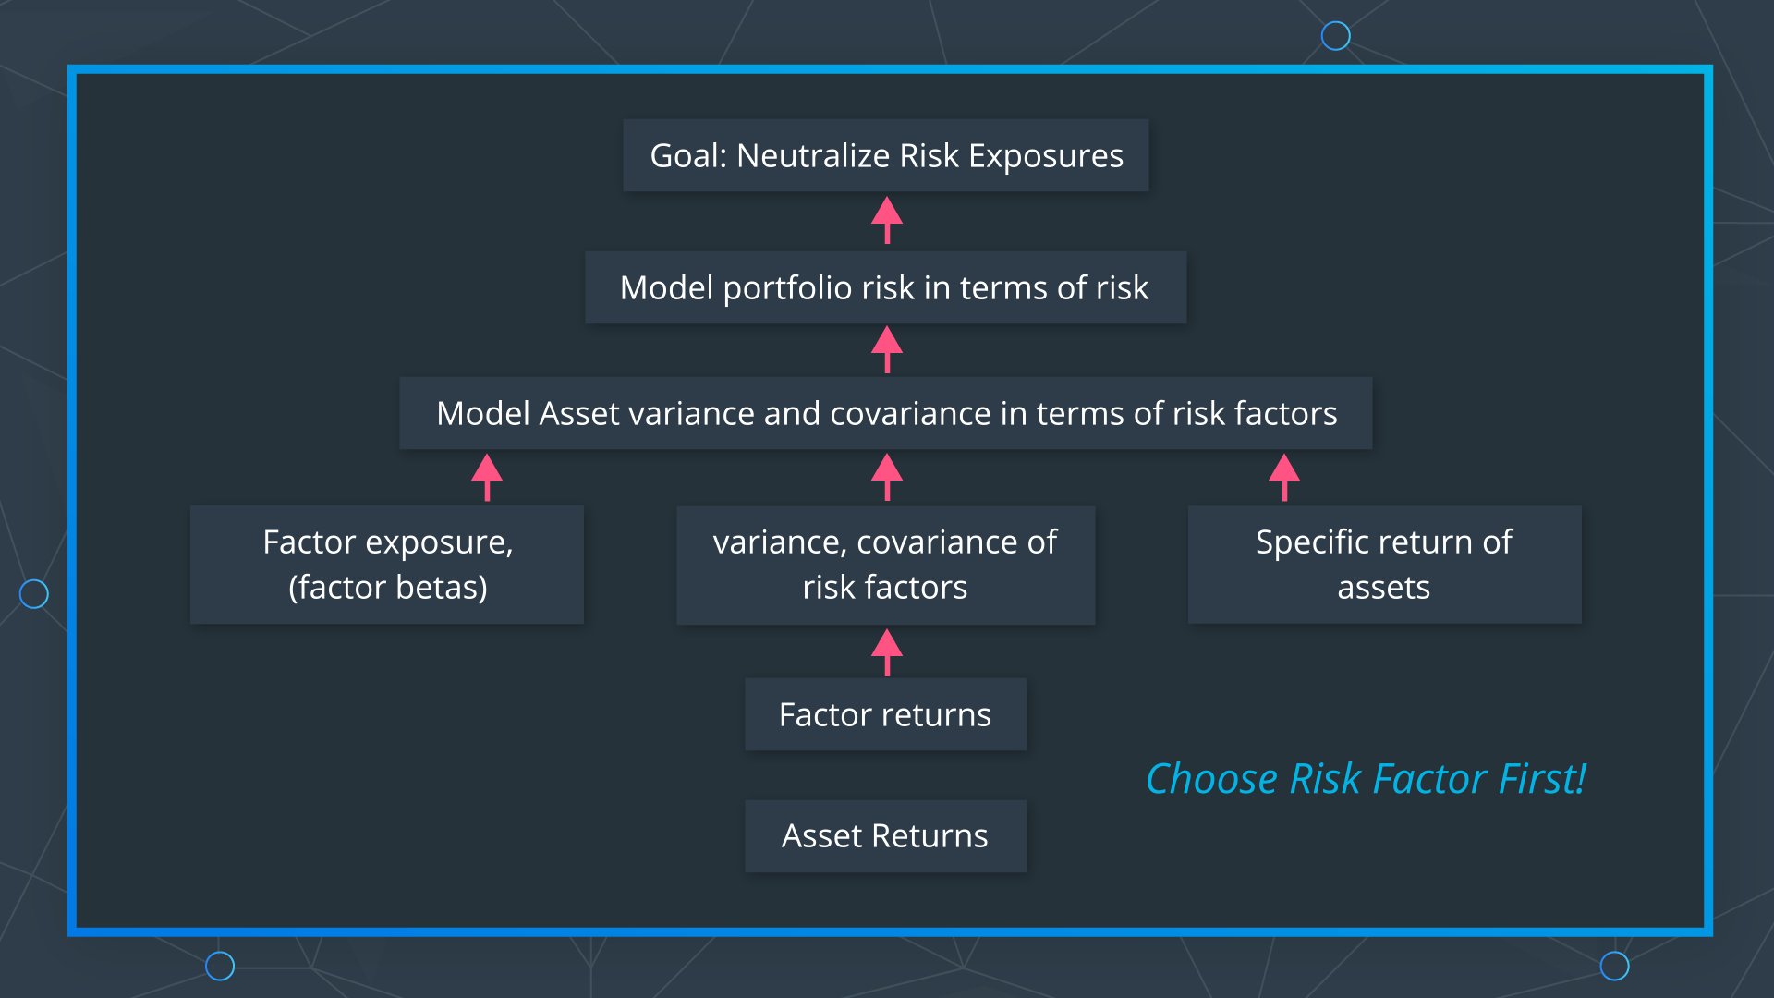
 | LESSON 23: |  |  | RISK FACTOR MODELS
 |  | 1 |  | Model risk factor each of portofolio

 | 2 install libraries!!

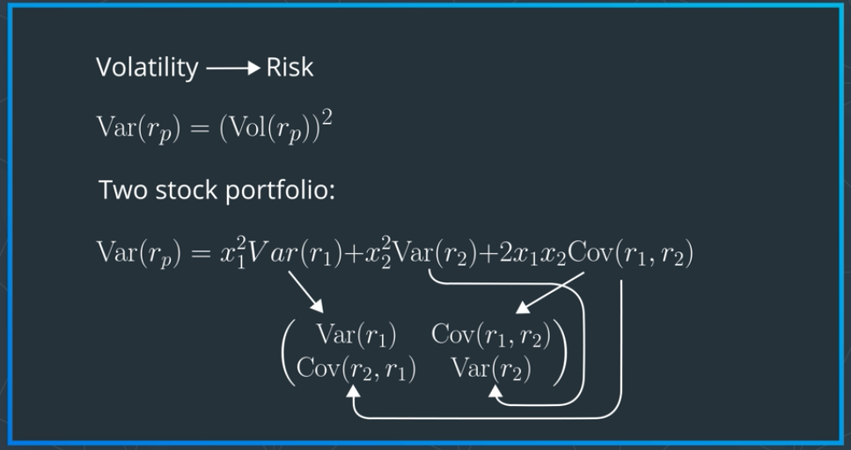

 | 3 |  | Motivation for Risk factors : US alone has 9000 stocks |  |  |  |  |  |  | "historical measure " of risk
 |  |  |  | too many unique data if we make matrix, so we will make alternatives: Risk factor model

 | 4 |  | Historical Variance |  |  | QUIZ
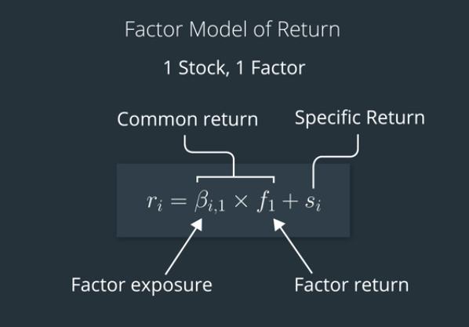
 | 5 |  | Factor model of asset return |  |  |  | simplified as 2 parts
 |  | part of the return |  |  | factor contribution to return |  |  | (common return)
 |  |  |  |  |  |  | factor exposure (B) x |  |  | factor loading/sensitivity/beta
 |  |  |  |  |  |  | rate of return of the factor |  |  | approximation by index?

 |  |  |  |  | specific return |  | idiosycncratic return/ shock
 |  |  |  |  |  | not explained by factor.
 |  | RETURN of THE STOCK can have multiple FACTORS, depends on the mdoel that we built..

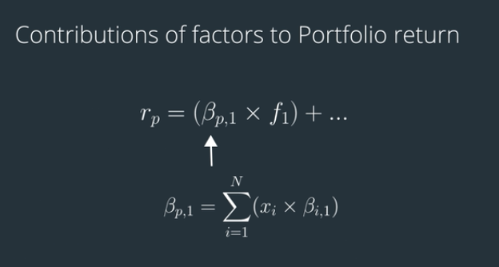
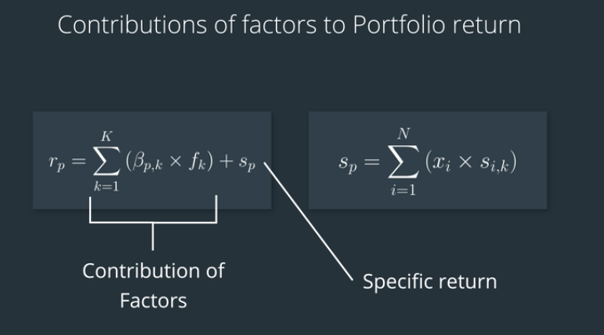
 | 6 |  | Factor model Asset
 |  |  |  |  |  |  |  |  |  |  |  |  |  |  |  |  | sum of weighted each portofolio x B exposure each port
 | 7 |  | Factor Model of Portofolio return

 |  |  |  | klo multifactor, each factor has its own B exposure. |  |  |  |  |  |  |  |  | for multi factor port sum of each contrib
 |  |  |  | ideally contribution of factors is the heavier parts of the variance than specific return (un explained risk)
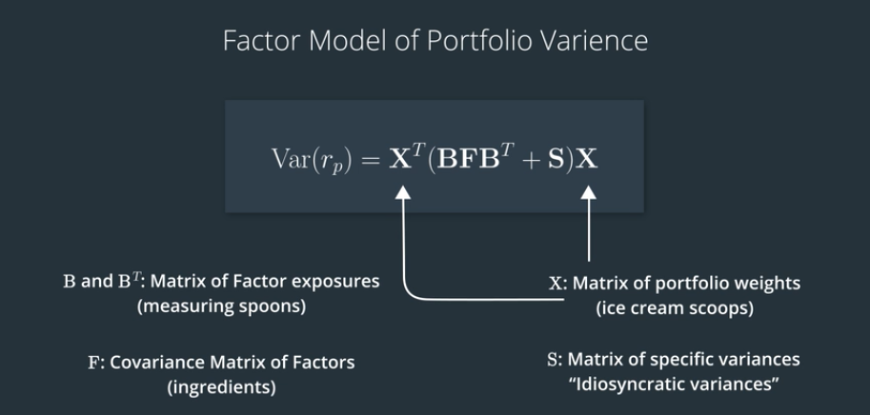
 | 8 |  | Preview of portofolio variance
 |  |  | 2 parts:
 |  |  | Risk contribution

 |  |  | specific variances (not due to factors)

 | 9 |  | Factor model portofolio return
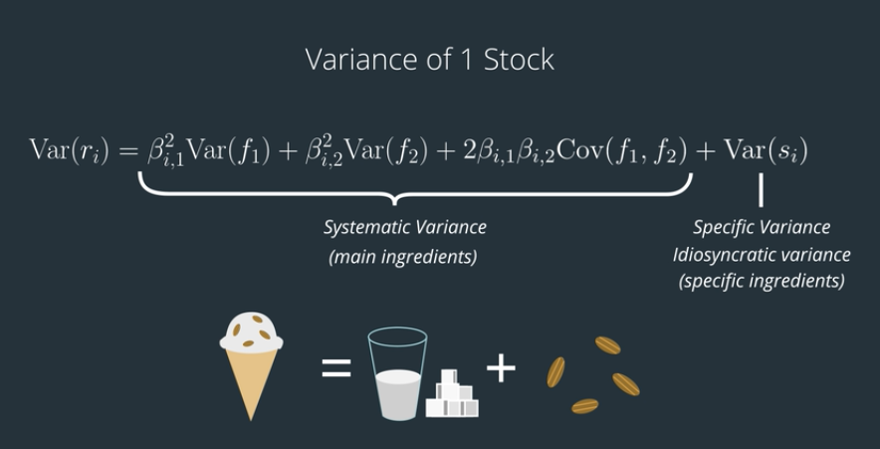
 | 10 |  | variance of one stock

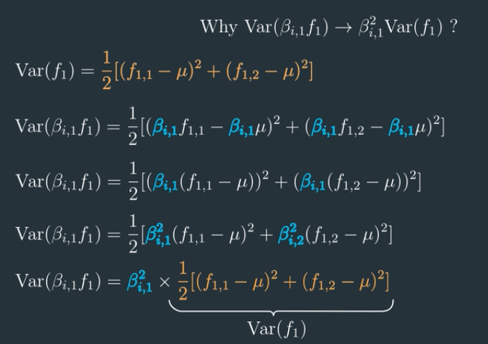

 | 11 |  | Taking constants out of Variance and Covariance (optional)

 |  | konstant jadi kuadrat karean pengukuran variance itu kuadrat juga

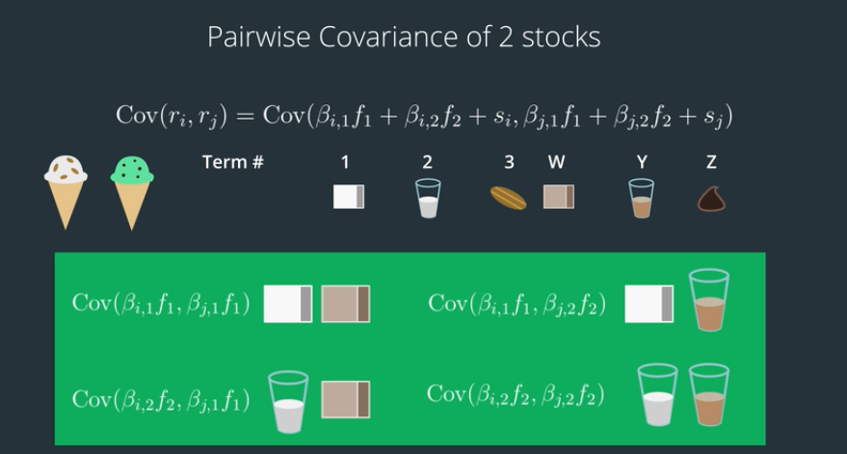
 | 12 |  | variance of 2 stocks part 1

 |  |  | every covariance that has residual error
 |  |  | di drop as zero

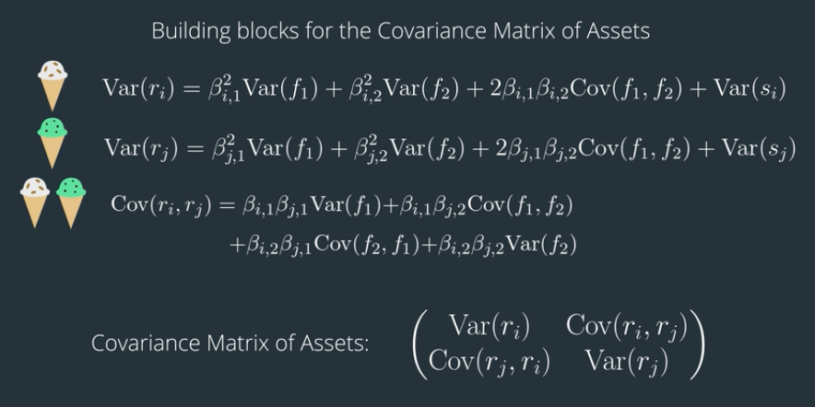

 | 13 |  | var of stock Part 2 |  |  | covariance Matrix of assets in term of factors

 | 14 |  | Covariance matrix of Assets Exercise
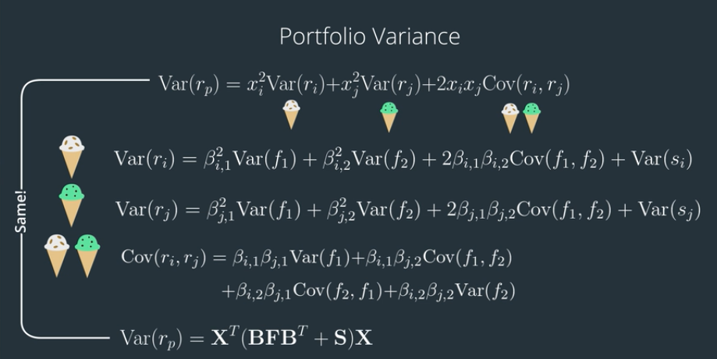
 | 15 |  | Portofolio variance using Factor Model

 |  |  | use portofolio weight to get port variance

 |  |  | Variance & covariance is like the ingrediet combination

 |  |  | Weight & Exposure/ sensitivity / B is the takeran untuk nyampur

 | 16 |  | Quiz Portofolio variance Excersise.

 | 17 |  | types of risk models:
 |  | Time series |  |  |  | CAPM
 |  |  |  |  |  | Fama french 3 factor models

 |  | Cross sectional series |  |  |  | PCA with unsupervised machine learning.

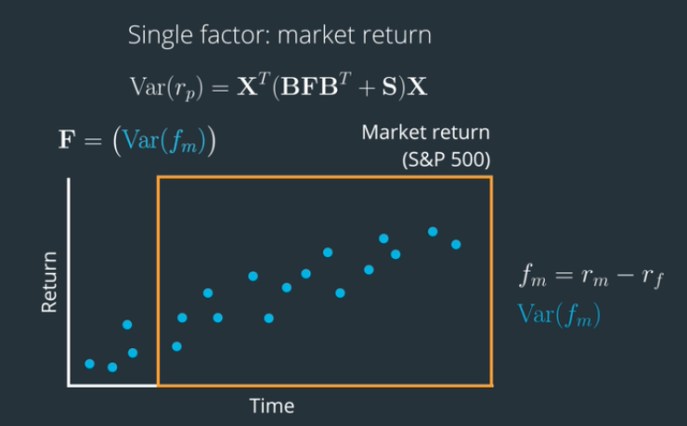
 | LESSON 24 |  |  | TIME SERIES and Cross Sectional Risk Model
 |  | 1 |  | Factor variance |  | Time window: too short == noise, to long old data not relevant anymore
 |  | 2 |  | Facor Exposure
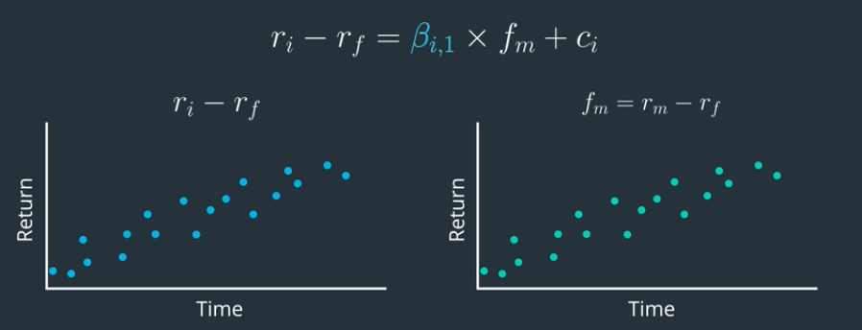

 |  | 3 |  | Specific variance
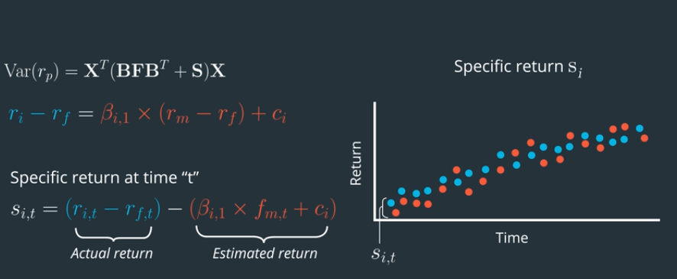

 |  | 4 |  | Time series Risk model

 |  |  |  | we can get estimates of variable for each variable in factors

 |  |  |  | B , factor exposure matrix |  |  | F, facor variances and covariances |  |  | s, pecific returns |  | s, pecific returns
 |  |  |  | single factor amrket return : covariance matrix of Assets

 |  | 5 |  | FAMA FRENCH MODEL
 |  |  |  | Size |  | smaller cap tend to have higher returns, so maybe its wise to buy smaller and sell big (only this factor, not other)
 |  |  |  |  |  | analysis done daily/ per period of performance comparison between small and large stocks

 |  | 6 |  | SMB |  | To create a theoretical portfolio representing size, we could go long the bottom 10th percentile of stocks by market cap (long small cap stocks)
 |  |  |  |  |  | and go short stocks above the 90th percentile (go short the large cap stocks). We could assume an equal dollar amount invested in each stock.
 |  |  |  |  |  | In the above example, we are dividing by 2 to take the average return of going long small cap stocks and going short large cap stocks.

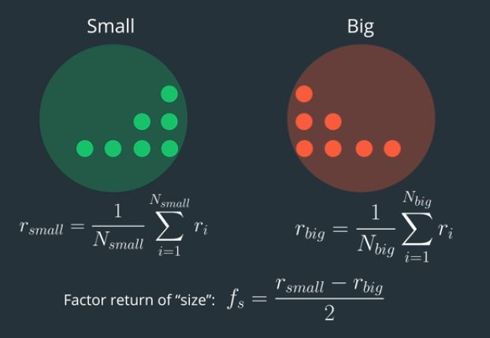
 |  |  |  |  |  | It's also common to compute the spread between two portfolios. One portfolio contains the small cap stocks, and the other portfolio contains the large cap stocks.
 |  |  |  |  |  | In this case, we'd just take the difference between the returns of the two portfolios.

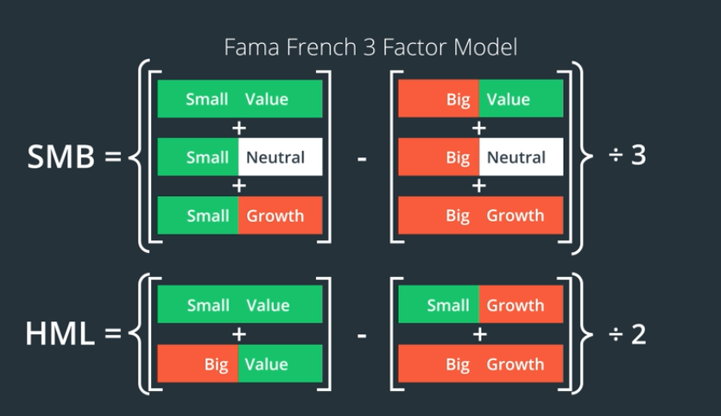
 |  | 7 |  | HML (value) |  | Higher book value tend to perform lowerbook value.
 |  |  |  | high - Low |  | same, we can track daily and make adjustments daily.

 |  | 8 |  | Fama french SMB & HML

 |  | 9 |  | Fama french risk model

 |  | 10 |  | Cross sectional model

 |  | 12 |  | Categorical factors: cant be quantified |  |  |  | Then assign a value to each of these variables to represent how "exposed" the company is to each country.

 |  | 13 |  | Categorical variable estimation: |  |  |  | Estimating Factor Return
 |  |  |  | using regression to estimate |  |  |  | If we collect a cross-section of multiple stocks for a single time period, then we'll have pairs
 |  |  |  | Categorical variable estimation: |  |  |  | of stock returns and factor exposures. We can use regression to estimate the factor return
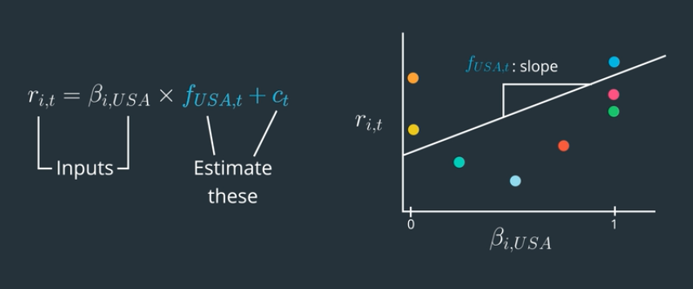
 |  |  |  |  |  |  |  | for that single time period. Then repeat over multiple time periods to get a time series of factor returns.

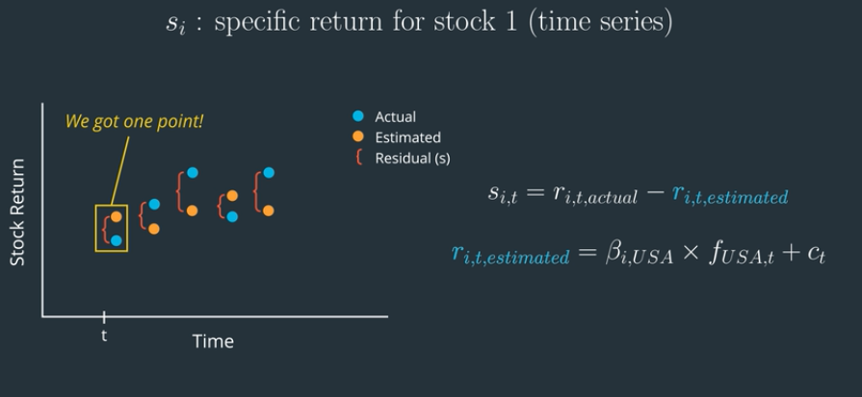
 |  | 14 |  | Cross section: Specifi Variance:
 |  |  |  | For each time period, we can calculate the specific return as the difference between
 |  |  |  | actual stock return and estimated stock return (using the estimated factor return).
 |  |  |  | Do this for multiple time periods to get a time series of specific return.

 |  | 15 |  | Fundamental factors
 |  |  |  | Fundamental Factors
 |  |  |  | In a cross-sectional risk model, the fundamental data calculated on a company, based on its financials,
 |  |  |  | can be used as the factor exposure of that company, to that factor.
 |  |  |  | We can use regression on a cross-section of stocks to estimate the factor return.
 |  | 16 |  | Summary:
 |  |  |  | usually using regresssion, but commercially available: MSCI Barra, Axioma, Nothfield
 |  |  |  | USE PCA!!!!

 | LESSON 25 |  |  | THIS SECTION JUST OVERVIEW OF LINEAR ALGEBRA
 |  | 1 |  | Statistical Risk Model |  |  |  |  | Find the paper notes
 |  | 2 |  | Vectors Two Ways
 |  | 3 |  | Refresh Linear Algebra
 |  | 4 |  | Bases as Languages
 |  | 5 |  | Translate between bases

 |  | 6 |  | The core idea
 |  | 7 |  | PCA EXCERSISE

 |  | 8 | 1 | WRITING IT DOWN
 |  |  | 2
 |  |  | 3
 |  |  | 4

 |  | 12 |  | The PRINCIPAL COMPONENTS
 |  | 13 |  | Explained Variance

 |  | 14 |  | PCA toy Problem
 |  | 15 |  | PCA coding Exercise

 |  | 16 |  | PCA as a factor model

 |  | 17 |  | PCA as factor model Part2

 |  | 18 |  | PCA as a Factor Model Coding exercise

 |  | 19 |  | Outro

 | LESSON 26 APLHA FACTORS
 |  | 1 |  | Efficient Market Hypothesis
 |  | 2 |  | Install Libraries

 |  | 3 |  | Alpha vs Risk vactors

 |  | 4 |  | Definition keyword

 |  | 5 |  | Researching Alphas from Academic appers |  |  |  |  | Alpha values: single number ascociated with a stock for one day
 |  |  |  |  |  |  |  |  | Alpha factor: Time series of alpha vectors over multiple time periods

 |  | 6 |  | Controlling risk with Aplha factor1 |  |  |  |  | assumtions: the Beta are near one (roughly, exposure factor) |  |  |  |  |  |  | Dollar neutral: Substract the mean so that values sum to zero

 |  | 7 |  | Controling risk with Aplha factor part2 |  |  |  |  |  |  |  |  |  |  |  | Sector neutral: find mean from each sector substract the weight, so shot weight = long weight

 |  | 9 |  | Sector Neutral Exercise

 |  | 10 |  | Ranking Part 1 |  |  | to smoothout signal so we don’t buy and sell at the change of price.

 |  | 11 |  | Ranking Part 2 |  |  | Descending order to preserve the properties ( higher scores meaning better)

 |  | 12 |  | Ranking Exercise

 |  | 13 |  | Z-score |  |  | placing z score in normal, or other distribution table. |  |  |  |  |  |  | Ranking: | more robust against outlier and noise
 |  |  |  |  |  |  |  |  |  |  |  |  |  |  | best when alpha vectors are from the same universe

 |  |  |  |  | Z-score: | not robust against outliers and noise
 |  |  |  |  |  | Useful to apply ranking and z- scoring, when alpha vectors are from different stock universes
 |  |  |  |  |  | more standardized

 |  | 15 |  | Z- score exercise

 |  | 16 |  | Smoothing |  | sparsenees of data |  |  |  |  | rolling windo
 |  |  |  |  |  | fundamental |  |  |  |  | weighted, etc
 |  |  |  |  |  | noisy/ incomplete data |  |  |  |  | CMA!!!
 |  | 17 |  | mini quiz

 |  | 18 |  | Smoothing exercise

 |  | 19 |  | factor returns
 |  | 20 |  | Factor retruns |  |  |  | Mini quiz
 |  | 21 |  | get clean factor and forward returns |  |  |  | Mini Quiz
 |  | 22 |  | factor and forward returns Exercise

 |  | 23 |  | Universe construction Rule |  |  |  | becareful of lookahead bias
 |  |  |  |  |  |  |  | so we take information as if we didn’t know the results fot our training data
 |  |  |  |  |  | solutionexample: |  | Commercial Index provider
 |  |  |  |  |  |  |  | use the components of index as if they were historically

 |  | 24 |  | Return denominator. |  |  | Theoretical return on Paper
 |  |  |  |  |  |  | Potential return opn practical: leverage etc

 |  |  |  |  | normalize alpha vector |  |  | 1 | Sum Up the ABSOLTUE value of the Alpha values
 |  |  |  |  |  |  | denomiator = | 2 | Divide the value by the sum, the normalized vector to have the sum of ABSOLUTE value == 1

 |  |  |  | Waktu research, assume leverage == 1, inpractical we measure leverage by the amout of capital tied to that position

 |  | 25 |  | making dollar neutral |  |  | Mini Quiz

 |  | 26 |  | Factor returns coding Exercise

 |  | 27 |  | Sharpe ratio |  | daily factor return / std dev or the return

 |  |  |  |  |  | it usually need to be annualioze * akar 252

 |  | 28 |  | Sharpe ratio Coding Excersize

 |  | 29& 30 |  | Ranked IC ( Information Coefficient) P 1 |  |  |  |  | Tells that | The accuray of our Alpha value ranks
 |  |  |  |  |  |  |  |  |  | correlation between Alpha value ranks and future returns ranks
 |  | 31 |  | Ranked IC Part 2 |  |  | 1 | Rank Raw Alpha Factor, descending
 |  |  |  |  |  |  | 2 | Calculate forward Asset returns and Rank Them
 |  |  |  |  |  |  | 3 | Correlation between this value is: Spearman rank correlation, untuk membedakan dengan Pearson

 |  |  |  |  |  |  |  | Pearson: |  | correlation of 2 variable and rescale using std deviations of the two variables
 |  |  |  |  |  |  |  |  |  | the denominator make correlation from -1 to 1
 |  |  |  |  |  |  |  |  |  | Square root of the R- squared in a linear regression
 |  |  |  |  |  |  |  |  |  | represents the proportion of variance in one variable that is explained bys econd variable

 |  |  |  |  |  |  |  | Spearman |  | same like pearson, kecuali variable x and y converted to ranks before calculating covariance and standard deviations

 |  |  |  |  |  | to get the rank ic, calculater the correlation between ranked Alpha vector and the ranked forward asset return for single time period
 |  |  |  |  |  | to get time series, we repeat multiple times.

 |  |  |  | "We don’t care about being wrong in the right direction"

 |  | 32 |  | Factor Information Coefficient mini quiz

 |  | 33 |  | Rank IC coding exercise

 |  | 34 |  | The fundamental law of Active Management: Part 1 |  |  |  |  |  | METRIC that is SPECIAL APPLICATION of the SHARPE RATIO == INFORMATION RATIO

 |  |  |  |  |  | Known factor |  |  | Alpha |  | Specific return, after di minus risk factor
 |  |  |  |  |  |  |  |  | Risk/ residual |  | Provide Systematic returns
 |  |  |  |  |  |  |  |  | After NEUTRALIZING risk factors
 |  |  |  | Return == Systematic return + Specific return

 |  |  |  | INFORMATION RATIO is SHARPE RATIO applied to SPECIFIC RETURN |  |  |  |  |  |  | so it is avg specific return/ std deviation and ANNUALIZED
 |  |  |  |  | measures the performance of the fund manager to the portofolio.

 |  |  |  | in this Alpha modelling |  |  | creating market and common factor neutral portofolio, in this case Sharpe Ratio == information ratio

 |  |  | insights!!! |  | MOST IMPORTANT THINGS TO ACHIEVE: |  |  |  |  | IR = IC * Akar B |  |  | IR = Information Ratio
 |  |  |  |  |  |  |  |  |  |  |  |  | IC = Information Coefficient. |  |  | IS SKILL
 |  |  |  | this is a guide |  |  |  |  |  |  |  |  | Breadth = |  |  | number of INDEPENDENT TRADING OPPORTUNITYS per year
 |  |  |  |  |  |  |  |  |  | check Richard Greynold: Fundamental law of active management. |  |  |  |  |  |  | Breadth is more like Brute force, win by analusing large amount of tarding
 |  |  |  |  |  |  |  |  |  |  | book | Active Portofolio Management |  |  |  |  | Opportunity, ex: same sector == dependent
 |  |  |  |  |  |  |  |  |  |  |  |  |  |  |  | Example: | Per sector
 |  | 35 |  | Fundamental Law of Active investment
 |  |  |  | IC is skill and B is breadth. IC is the information coefficient as we learned above. It makes perfect sense that if you have better skill at making predictions,
 |  |  |  | then you will have a better strategy and higher Sharpe Ratio right?
 |  |  |  | Quants: | Have more Breadth, win ratio is about 50-60% |  |  |  |  |  |  |  | increasing Performance: |  |  | Improve Alpha factor
 |  |  |  | Skilled trader: Have more IC / Alpha factor/ intuition = More Win ratio |  |  |  |  |  |  |  |  |  |  |  | increase number of trades (Breadth)

 |  | 36 |  | Real Word Constraint: LIQUIDITY
 |  |  |  |  | Bid - Ask Spread

 |  | 37 |  | Real Word Constraint: TRANSACTION COST

 |  |  |  |  | Market Impact |  | Price movement because our trades. |  |  |  | Slice the order to reduce impact
 |  |  |  |  | Commision

 |  | 38 |  | Turnover as Proxy for Real World Constraints |  |  |  |  |  |  |  |  | Value of Trades / Portofolio Value
 |  |  |  |  | Untuk mengukur hipotesis biaya/ hlangan yang timbul waktu trading
 |  |  |  |  | can be measured by the change in portofolio weights

 |  | 39 |  | Factor rank auto correlation
 |  |  |  |  | Ranked Alpha Vector (t-1) |  |  |  | Repeated over multiple timewindow to create timeseries
 |  |  |  |  | Ranked Alpha vector (t)
 |  |  |  |  |  |  |  |  | if less trading, the weights also didn’t change either, less trading, less turnover
 |  |  |  |  | high FRA --> lower turnover --> preferable

 |  |  |  |  | low FRA --> higher turnover --> require higher alpha factor to cover cost
 |  |  |  |  | FACTOR RANK AUTOCORRELATION different than RANK IC, RANK IC == Correlation of Alpha factor and forward returns
 |  |  |  |  | FRA measuring how stable day to day
 |  | 40 |  | Turnover excersise

 |  | 41 |  | Quantile Analysis |  |  | To analyze alpha factor deeper |  |  |  | Factor untama is alpha factor
 |  |  |  |  | quantile analyze their return and volatility within those quantiles

 |  | 42 |  | Part 2
 |  |  |  |  | Ideally factor return for the highest quantile is the hiughest and gradually to the lowest
 |  |  |  |  | PREDICTIVE POWER by TAIL: middle 2,3 ,4 quantile is near 0, and the tails is fat tails, if best performace stock have huge gap and vice versa
 |  |  |  |  | PREDICTIVE POWER BY BODY: kebalikan tail, middle quintile have more information
 |  |  |  | if the quantile not gradually from high to low/ in order this is the indicator that our model is not robust
 |  |  |  | Anomaly: |  | Sloan Accrual anomaly
 |  |  |  |  |  | http://econ.au.dk/fileadmin/Economics_Business/Education/Summer_University_2012/6308_Advanced_Financial_Accounting/Advanced_Financial_Accounting/2/Sloan_1996_TAR.pdf
 |  | 43 |  | Mean

 | 51-53 |  | RESEARCH PAPER TIPS
 |  |  |  | 1 | Read the abstracs
 |  |  |  | 2 | Find Review paper, it summarises..

